Sheet1

Task | Fetchout the Information from the SQL Server
need to find | Account Number | Given | table 1 | [CUSTFORM].[CustomerForm]
 | Customer Name |  | table 2 | [CUSTREQUESTFLOW].[ApprovedCustomer_SystemID]
 | Customer Type |  | table 3 | [ADM].[Employee]
 | Who initiated the request |  | table 4 | [CUSTFORM].[CustomerType]
 | Request date
 | Request Type

 |  |  | Approach |  | Start
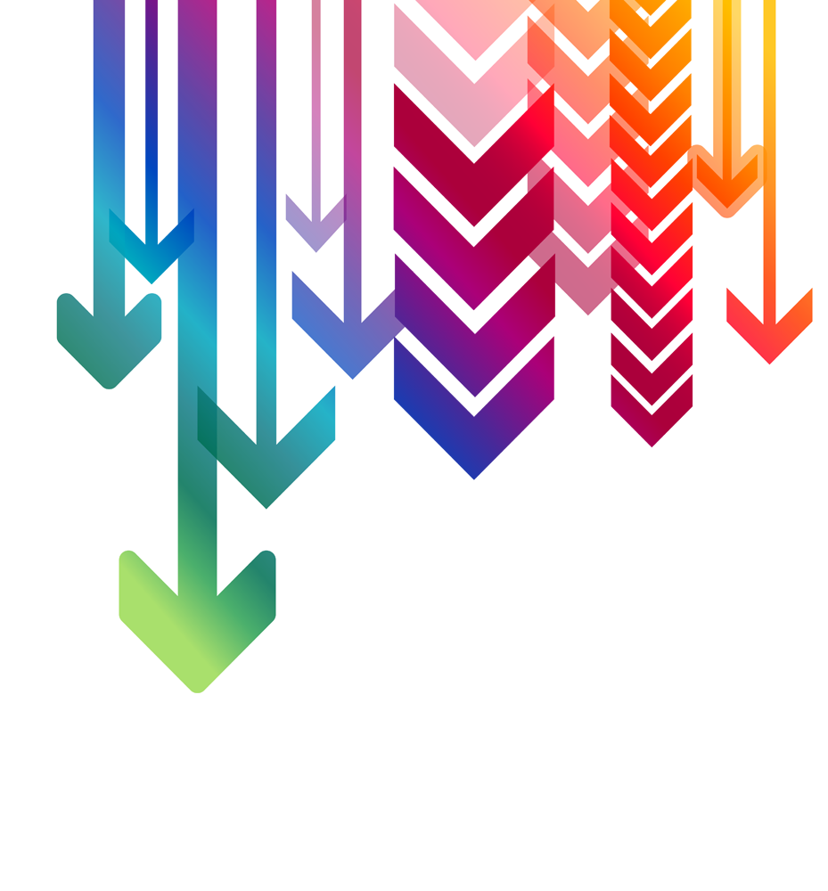
 |  |  |  |  | Define what is the information needs to fetch

 |  |  |  |  | Collect the tables who are associated with the task

 |  |  |  |  | Find the relative columns and map it with the columns

 |  |  |  |  | find the connection between the table to perform the Joining Operations
 |  |  |  |  |  |  |  |  | Required Information | Columns names representing the same information
 |  |  |  |  | Consider the conditions give in the task |  |  |  | Account # | Oracle ID
 |  |  |  |  |  |  |  |  | Customer Name | CustomerName
 |  |  |  |  | Formulate the SQL query that you gone run on the Server |  |  |  | Customer Type | CustomerType_Name
 |  |  |  |  |  |  |  |  | LAST_UPDATED_BY / Who initiated the request | Employee_FullName
 |  |  |  |  | Test the resulting table |  |  |  | LAST_UPDATE_DATE / Request date | CustomerForm_Updated
 |  |  |  |  |  |  |  |  | Request Type | ChangeType
 |  |  |  |  | End

References | https://dev.mysql.com/doc/refman/8.0/en/join.html |  |  |  |  | Joining approach
 | https://dev.mysql.com/doc/refman/8.0/en/call.html |  |  |  |  | Inner Join |  | Condition: | Where CSI_System_Name = ORCL, Show CSI_System_ID
 | https://dev.mysql.com/doc/refman/8.0/en/charset.html
 |  |  |  |  |  | table 1 | table 2
 |  |  |  |  |  | CDM_ID | CDM_ID

 |  |  |  |  |  | table 1 | table 3
 |  |  |  |  |  | CustomerSubmittedEmail_ByEmployeeID | Employee_ID

 |  |  |  |  |  | table 1 | table 4
 |  |  |  |  |  | CustomerType_ID | CustomerType_ID

